Landing Page
Back to Index
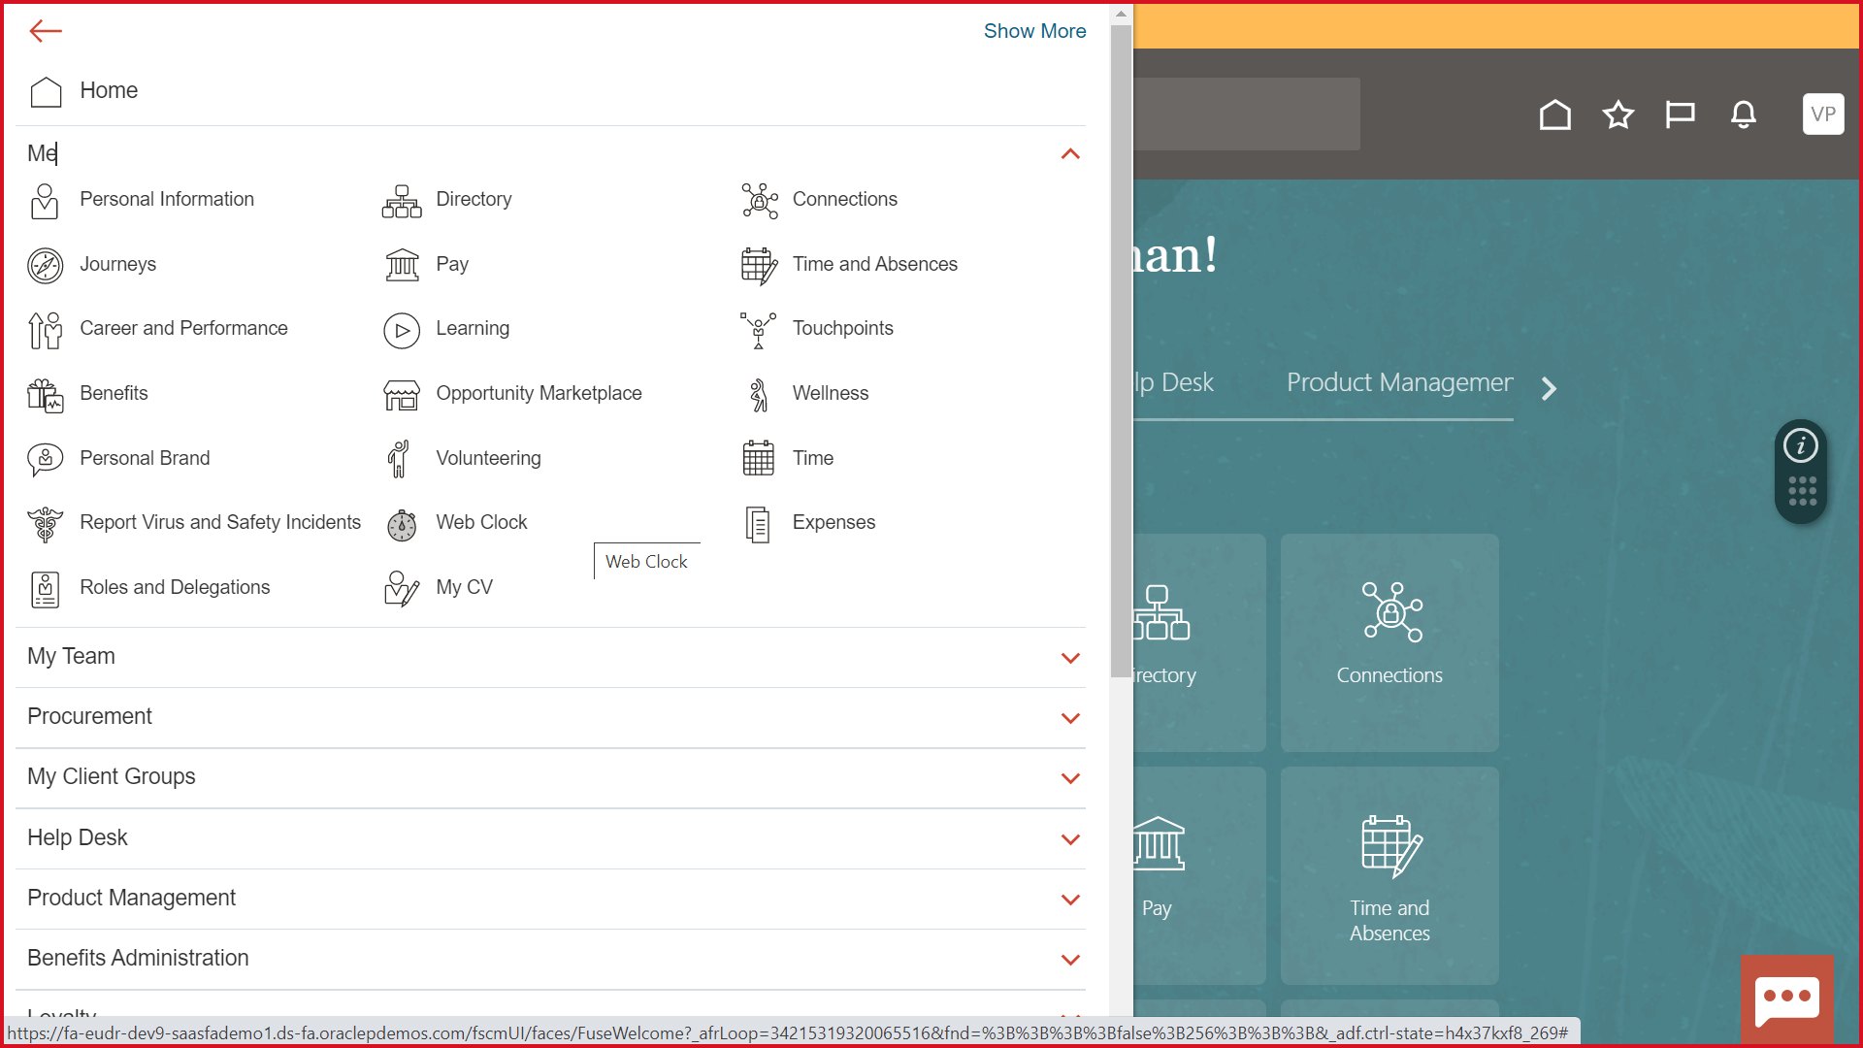

Aspire

Aspire Homepage
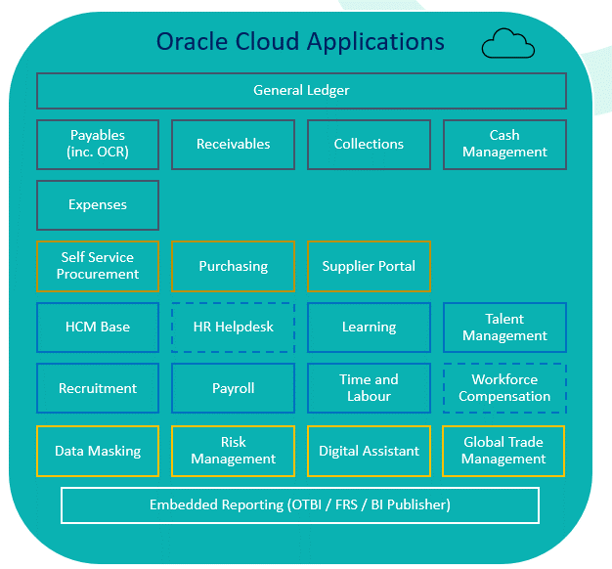
Back to Index | Level 0

P2P
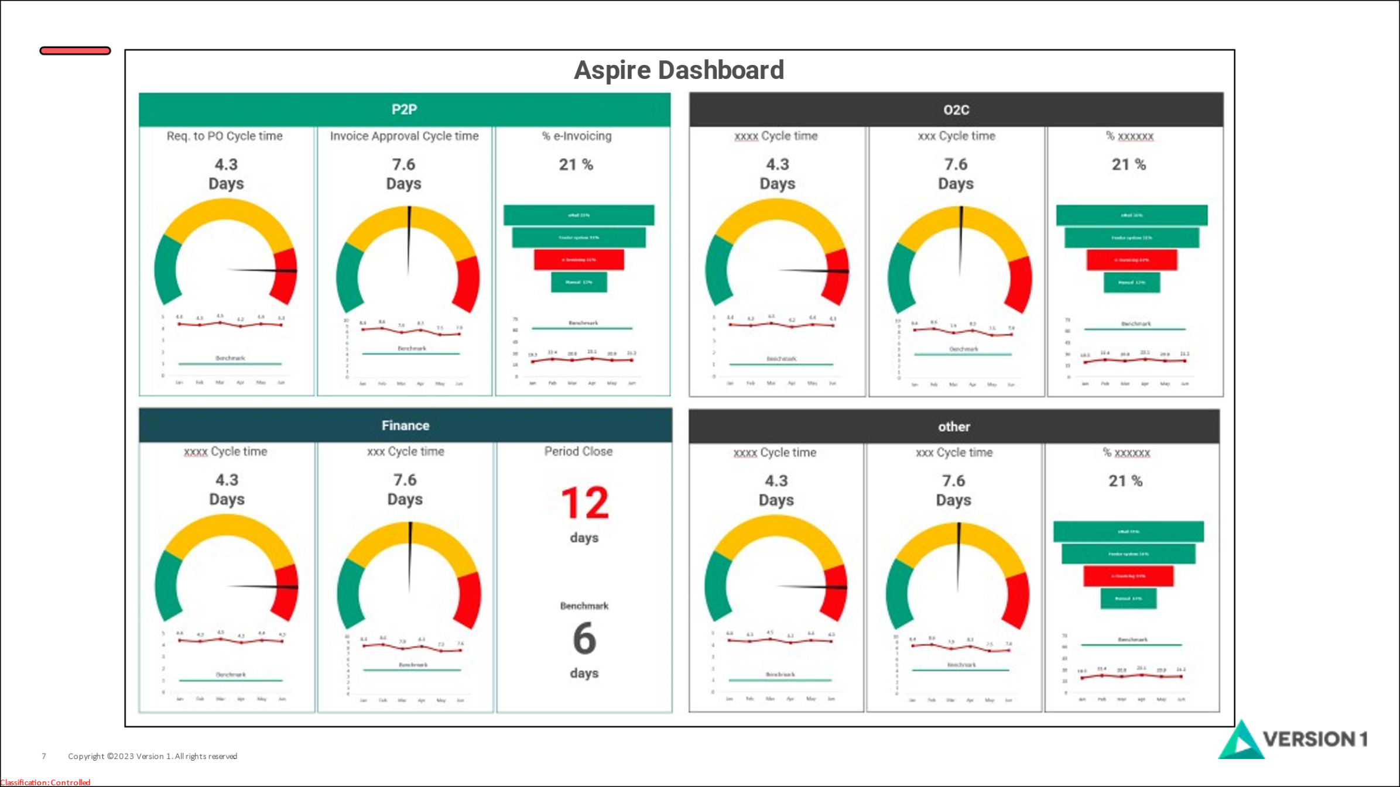
Back to Index

